Tab 1 Career profiles - outlook
Website Title: WorkBC + WelcomeBC Career Profiles/ B.C. Labour Market Outlook (2015-2025)

Forecasted Average Annual Employment Growth Rate, British Columbia (graph title on mock: Forecasted average annual employment growth)
Source: BC 2025 LMO
 |  |  |  | Example:
NOC | Description | 2016-2020 | 2020-2025
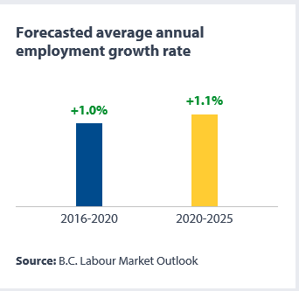
#T | Total | 1.2% | 1.2%
#0011 | Legislators | 1.4% | 1.1%
#0012 | Senior government managers and officials | 1.1% | 1.1%
#0013 | Senior managers - financial, communications and other business services | 2.1% | 1.9%
#0014 | Senior managers - health, education, social and community services and membership organizations | 0.9% | 1.2%
#0015 | Senior managers - trade, broadcasting and other services, n.e.c. | 1.5% | 1.5%
#0016 | Senior managers - construction, transportation, production and utilities | 0.8% | 0.5%
#0111 | Financial managers | 1.2% | 1.2%
#0112 | Human resources managers | 1.3% | 1.3%
#0113 | Purchasing managers | 1.0% | 1.2%
#0114 | Other administrative services managers | 1.2% | 1.3%
#0121 | Insurance, real estate and financial brokerage managers | 1.5% | 1.2%
#0122 | Banking, credit and other investment managers | 1.2% | 1.2%
#0124 | Advertising, marketing and public relations managers | 1.4% | 1.4%
#0125 | Other business services managers | 1.5% | 1.2%
#0131 | Telecommunication carriers managers | 1.8% | 1.4%
#0132 | Postal and courier services managers | 1.1% | 0.8%
#0211 | Engineering managers | 1.4% | 1.3%
#0212 | Architecture and science managers | 1.6% | 1.4%
#0213 | Computer and information systems managers | 2.2% | 2.2%
#0311 | Managers in health care | 1.7% | 2.5%
#0411 | Government managers - health and social policy development and program administration | 1.2% | 1.2%
#0412 | Government managers - economic analysis, policy development and program administration | 0.9% | 1.1%
#0413 | Government managers - education policy development and program administration | 0.7% | 1.1%
#0414 | Other managers in public administration | 1.0% | 1.1%
#0421 | Administrators - post-secondary education and vocational training | 1.3% | 1.0%
#0422 | School principals and administrators of elementary and secondary education | 0.4% | 1.0%
#0423 | Managers in social, community and correctional services | 1.3% | 1.5%
#0431 | Commissioned police officers | 1.2% | 1.2%
#0432 | Fire chiefs and senior firefighting officers | 1.4% | 1.1%
#0433 | Commissioned officers of the Canadian Forces | 0.2% | 1.2%
#0511 | Library, archive, museum and art gallery managers | 0.8% | 1.1%
#0512 | Managers - publishing, motion pictures, broadcasting and performing arts | 1.6% | 2.0%
#0513 | Recreation, sports and fitness program and service directors | 1.2% | 1.4%
#0601 | Corporate sales managers | 1.2% | 1.2%
#0621 | Retail and wholesale trade managers | 1.5% | 1.3%
#0631 | Restaurant and food service managers | 1.5% | 1.4%
#0632 | Accommodation service managers | 2.5% | 1.3%
#0651 | Managers in customer and personal services, n.e.c. | 0.8% | 1.0%
#0711 | Construction managers | 0.7% | 0.5%
#0712 | Home building and renovation managers | 0.6% | 0.4%
#0714 | Facility operation and maintenance managers | 1.2% | 1.0%
#0731 | Managers in transportation | 1.0% | 0.9%
#0811 | Managers in natural resources production and fishing | 1.1% | 0.1%
#0821 | Managers in agriculture | 0.2% | 0.2%
#0822 | Managers in horticulture | 0.2% | 0.3%
#0823 | Managers in aquaculture | -0.9% | 0.2%
#0911 | Manufacturing managers | 0.2% | 0.4%
#0912 | Utilities managers | 0.3% | 0.3%
#1111 | Financial auditors and accountants | 1.4% | 1.2%
#1112 | Financial and investment analysts | 1.3% | 1.3%
#1113 | Securities agents, investment dealers and brokers | 1.2% | 1.2%
#1114 | Other financial officers | 1.2% | 1.2%
#1121 | Human resources professionals | 1.1% | 1.2%
#1122 | Professional occupations in business management consulting | 1.9% | 1.7%
#1123 | Professional occupations in advertising, marketing and public relations | 1.4% | 1.3%
#1211 | Supervisors, general office and administrative support workers | 1.1% | 1.2%
#1212 | Supervisors, finance and insurance office workers | 1.2% | 1.3%
#1213 | Supervisors, library, correspondence and related information workers | 0.2% | 1.1%
#1214 | Supervisors, mail and message distribution occupations | 1.1% | 0.7%
#1215 | Supervisors, supply chain, tracking and scheduling co-ordination occupations | 1.2% | 1.0%
#1221 | Administrative officers | 1.2% | 1.2%
#1222 | Executive assistants | 1.4% | 1.1%
#1223 | Human resources and recruitment officers | 1.1% | 1.2%
#1224 | Property administrators | 1.6% | 1.1%
#1225 | Purchasing agents and officers | 1.1% | 1.0%
#1226 | Conference and event planners | 1.4% | 1.2%
#1227 | Court officers and justices of the peace | 1.4% | 1.1%
#1228 | Employment insurance, immigration, border services and revenue officers | 0.8% | 1.1%
#1241 | Administrative assistants | 1.1% | 1.2%
#1242 | Legal administrative assistants | 1.5% | 1.1%
#1243 | Medical administrative assistants | 1.4% | 2.2%
#1251 | Court reporters, medical transcriptionists and related occupations | 1.0% | 1.5%
#1252 | Health information management occupations | 1.0% | 1.9%
#1253 | Records management technicians | 1.1% | 1.3%
#1254 | Statistical officers and related research support occupations | 1.4% | 1.4%
#1311 | Accounting technicians and bookkeepers | 1.2% | 1.0%
#1312 | Insurance adjusters and claims examiners | 0.4% | 1.2%
#1313 | Insurance underwriters | 0.5% | 1.3%
#1314 | Assessors, valuators and appraisers | 1.6% | 1.2%
#1315 | Customs, ship and other brokers | 0.5% | 0.9%
#1411 | General office support workers | 1.1% | 1.3%
#1414 | Receptionists | 1.4% | 1.8%
#1415 | Personnel clerks | 1.1% | 1.5%
#1416 | Court clerks | 1.9% | 1.2%
#1422 | Data entry clerks | 1.0% | 1.2%
#1423 | Desktop publishing operators and related occupations | 1.1% | 1.2%
#1431 | Accounting and related clerks | 1.2% | 1.2%
#1432 | Payroll clerks | 1.0% | 1.1%
#1434 | Banking, insurance and other financial clerks | 1.1% | 1.3%
#1435 | Collectors | 1.2% | 1.1%
#1451 | Library assistants and clerks | 0.1% | 1.0%
#1452 | Correspondence, publication and regulatory clerks | 1.0% | 1.2%
#1454 | Survey interviewers and statistical clerks | 0.4% | 1.0%
#1511 | Mail, postal and related workers | 1.2% | 0.8%
#1512 | Letter carriers | 1.1% | 0.7%
#1513 | Couriers, messengers and door-to-door distributors | 1.1% | 1.0%
#1521 | Shippers and receivers | 1.1% | 1.0%
#1522 | Storekeepers and partspersons | 1.1% | 1.1%
#1523 | Production logistics co-ordinators | 0.8% | 1.0%
#1524 | Purchasing and inventory control workers | 1.4% | 1.3%
#1525 | Dispatchers | 0.9% | 0.9%
#1526 | Transportation route and crew schedulers | 1.0% | 0.9%
#2111 | Physicists and astronomers | 1.1% | 1.3%
#2112 | Chemists | 1.4% | 1.2%
#2113 | Geoscientists and oceanographers | 2.1% | 0.9%
#2114 | Meteorologists and climatologists | 0.7% | 1.3%
#2115 | Other professional occupations in physical sciences | 2.2% | 0.9%
#2121 | Biologists and related scientists | 1.2% | 1.2%
#2122 | Forestry professionals | 0.4% | 0.0%
#2123 | Agricultural representatives, consultants and specialists | 1.6% | 1.2%
#2131 | Civil engineers | 1.5% | 1.3%
#2132 | Mechanical engineers | 1.4% | 1.2%
#2133 | Electrical and electronics engineers | 1.3% | 1.2%
#2134 | Chemical engineers | 1.2% | 0.8%
#2141 | Industrial and manufacturing engineers | 1.3% | 1.2%
#2142 | Metallurgical and materials engineers | 2.2% | 1.1%
#2143 | Mining engineers | 2.2% | 0.6%
#2144 | Geological engineers | 1.8% | 1.5%
#2145 | Petroleum engineers | 1.8% | 1.2%
#2146 | Aerospace engineers | 1.3% | 1.3%
#2147 | Computer engineers (except software engineers and designers) | 2.4% | 2.3%
#2148 | Other professional engineers, n.e.c. | 1.6% | 1.6%
#2151 | Architects | 1.8% | 1.6%
#2152 | Landscape architects | 1.7% | 1.5%
#2153 | Urban and land use planners | 1.4% | 1.1%
#2154 | Land surveyors | 1.6% | 1.2%
#2161 | Mathematicians, statisticians and actuaries | 1.4% | 1.5%
#2171 | Information systems analysts and consultants | 2.5% | 2.5%
#2172 | Database analysts and data administrators | 1.8% | 1.9%
#2173 | Software engineers and designers | 2.8% | 2.8%
#2174 | Computer programmers and interactive media developers | 2.8% | 2.8%
#2175 | Web designers and developers | 2.9% | 2.8%
#2211 | Chemical technologists and technicians | 1.1% | 1.0%
#2212 | Geological and mineral technologists and technicians | 2.2% | 0.7%
#2221 | Biological technologists and technicians | 1.1% | 1.1%
#2222 | Agricultural and fish products inspectors | 0.5% | 0.9%
#2223 | Forestry technologists and technicians | 0.6% | 0.0%
#2224 | Conservation and fishery officers | 1.4% | 1.0%
#2225 | Landscape and horticulture technicians and specialists | 1.0% | 0.9%
#2231 | Civil engineering technologists and technicians | 1.5% | 1.2%
#2232 | Mechanical engineering technologists and technicians | 1.2% | 1.1%
#2233 | Industrial engineering and manufacturing technologists and technicians | 0.8% | 0.9%
#2234 | Construction estimators | 0.7% | 0.6%
#2241 | Electrical and electronics engineering technologists and technicians | 0.9% | 1.0%
#2242 | Electronic service technicians (household and business equipment) | 1.4% | 1.4%
#2243 | Industrial instrument technicians and mechanics | 0.7% | -0.7%
#2244 | Aircraft instrument, electrical and avionics mechanics, technicians and inspectors | 1.4% | 1.0%
#2251 | Architectural technologists and technicians | 1.9% | 1.6%
#2252 | Industrial designers | 1.0% | 1.1%
#2253 | Drafting technologists and technicians | 1.5% | 1.3%
#2254 | Land survey technologists and technicians | 1.2% | 1.0%
#2255 | Technical occupations in geomatics and meteorology | 1.6% | 1.4%
#2261 | Non-destructive testers and inspection technicians | 1.6% | 1.1%
#2262 | Engineering inspectors and regulatory officers | 1.0% | 1.2%
#2263 | Inspectors in public and environmental health and occupational health and safety | 1.2% | 1.0%
#2264 | Construction inspectors | 1.4% | 1.0%
#2271 | Air pilots, flight engineers and flying instructors | 1.7% | 1.1%
#2272 | Air traffic controllers and related occupations | 0.8% | 0.8%
#2273 | Deck officers, water transport | 0.6% | 0.7%
#2274 | Engineer officers, water transport | 1.1% | 0.8%
#2275 | Railway traffic controllers and marine traffic regulators | 0.4% | 0.5%
#2281 | Computer network technicians | 1.9% | 1.9%
#2282 | User support technicians | 2.1% | 2.1%
#2283 | Information systems testing technicians | 3.0% | 3.0%
#3011 | Nursing co-ordinators and supervisors | 1.5% | 2.3%
#3012 | Registered nurses and registered psychiatric nurses | 1.3% | 2.2%
#3111 | Specialist physicians | 1.5% | 2.2%
#3112 | General practitioners and family physicians | 1.7% | 2.5%
#3113 | Dentists | 1.9% | 2.7%
#3114 | Veterinarians | 1.4% | 1.0%
#3121 | Optometrists | 1.8% | 2.6%
#3122 | Chiropractors | 1.9% | 2.6%
#3124 | Allied primary health practitioners | 1.6% | 2.4%
#3125 | Other professional occupations in health diagnosing and treating | 1.8% | 2.7%
#3131 | Pharmacists | 1.6% | 1.5%
#3132 | Dietitians and nutritionists | 1.5% | 2.2%
#3141 | Audiologists and speech-language pathologists | 1.2% | 1.9%
#3142 | Physiotherapists | 1.5% | 2.3%
#3143 | Occupational therapists | 1.4% | 2.1%
#3144 | Other professional occupations in therapy and assessment | 1.8% | 2.4%
#3211 | Medical laboratory technologists | 1.2% | 2.0%
#3212 | Medical laboratory technicians and pathologists' assistants | 1.3% | 2.1%
#3213 | Animal health technologists and veterinary technicians | 1.4% | 1.0%
#3214 | Respiratory therapists, clinical perfusionists and cardiopulmonary technologists | 1.1% | 2.0%
#3215 | Medical radiation technologists | 1.1% | 2.0%
#3216 | Medical sonographers | 1.2% | 2.1%
#3217 | Cardiology technologists and electrophysiological diagnostic technologists, n.e.c. | 1.0% | 1.9%
#3219 | Other medical technologists and technicians (except dental health) | 1.5% | 1.5%
#3221 | Denturists | 1.3% | 2.0%
#3222 | Dental hygienists and dental therapists | 1.8% | 2.6%
#3223 | Dental technologists, technicians and laboratory assistants | 1.4% | 2.1%
#3231 | Opticians | 1.8% | 1.7%
#3232 | Practitioners of natural healing | 1.7% | 2.4%
#3233 | Licensed practical nurses | 1.8% | 2.7%
#3234 | Paramedical occupations | 1.8% | 2.5%
#3236 | Massage therapists | 1.4% | 2.0%
#3237 | Other technical occupations in therapy and assessment | 1.7% | 2.3%
#3411 | Dental assistants | 1.9% | 2.6%
#3413 | Nurse aides, orderlies and patient service associates | 2.3% | 3.2%
#3414 | Other assisting occupations in support of health services | 1.5% | 2.4%
#4011 | University professors and lecturers | 1.5% | 1.0%
#4012 | Post-secondary teaching and research assistants | 1.4% | 0.9%
#4021 | College and other vocational instructors | 1.3% | 1.1%
#4031 | Secondary school teachers | 0.3% | 1.0%
#4032 | Elementary school and kindergarten teachers | 0.3% | 1.0%
#4033 | Educational counsellors | 0.8% | 1.0%
#4111 | Judges | 1.2% | 1.3%
#4112 | Lawyers and Quebec notaries | 1.5% | 1.1%
#4151 | Psychologists | 1.5% | 2.0%
#4152 | Social workers | 1.3% | 1.5%
#4153 | Family, marriage and other related counsellors | 1.4% | 1.7%
#4154 | Professional occupations in religion | 0.4% | 0.6%
#4155 | Probation and parole officers and related occupations | 1.2% | 1.1%
#4156 | Employment counsellors | 1.1% | 1.0%
#4161 | Natural and applied science policy researchers, consultants and program officers | 1.5% | 1.2%
#4162 | Economists and economic policy researchers and analysts | 1.5% | 1.4%
#4163 | Business development officers and marketing researchers and consultants | 1.6% | 1.5%
#4164 | Social policy researchers, consultants and program officers | 1.2% | 1.2%
#4165 | Health policy researchers, consultants and program officers | 1.4% | 1.8%
#4166 | Education policy researchers, consultants and program officers | 0.8% | 1.0%
#4167 | Recreation, sports and fitness policy researchers, consultants and program officers | 1.4% | 1.6%
#4168 | Program officers unique to government | 0.6% | 1.1%
#4169 | Other professional occupations in social science, n.e.c. | 1.4% | 1.2%
#4211 | Paralegal and related occupations | 1.5% | 1.1%
#4212 | Social and community service workers | 1.6% | 1.9%
#4214 | Early childhood educators and assistants | 1.2% | 1.1%
#4215 | Instructors of persons with disabilities | 1.4% | 1.8%
#4216 | Other instructors | 0.3% | 0.8%
#4217 | Other religious occupations | 0.3% | 0.5%
#4311 | Police officers (except commissioned) | 0.7% | 1.1%
#4312 | Firefighters | 1.3% | 1.1%
#4313 | Non-commissioned ranks of the Canadian Forces | 0.2% | 1.2%
#4411 | Home child care providers | 0.8% | 0.9%
#4412 | Home support workers, housekeepers and related occupations | 1.5% | 2.0%
#4413 | Elementary and secondary school teacher assistants | 0.4% | 1.0%
#4421 | Sheriffs and bailiffs | 1.5% | 1.1%
#4422 | Correctional service officers | 1.2% | 1.1%
#4423 | By-law enforcement and other regulatory officers, n.e.c. | 1.2% | 1.0%
#5111 | Librarians | 0.4% | 1.0%
#5112 | Conservators and curators | 0.3% | 1.3%
#5113 | Archivists | 0.0% | 1.0%
#5121 | Authors and writers | 1.8% | 1.6%
#5122 | Editors | 0.9% | 1.3%
#5123 | Journalists | 0.7% | 1.1%
#5125 | Translators, terminologists and interpreters | 1.4% | 1.2%
#5131 | Producers, directors, choreographers and related occupations | 3.0% | 3.5%
#5132 | Conductors, composers and arrangers | 1.8% | 1.8%
#5133 | Musicians and singers | 0.9% | 1.0%
#5134 | Dancers | 0.5% | 0.9%
#5135 | Actors and comedians | 2.5% | 2.5%
#5136 | Painters, sculptors and other visual artists | 1.7% | 1.3%
#5211 | Library and public archive technicians | 0.3% | 1.0%
#5212 | Technical occupations related to museums and art galleries | 0.9% | 1.1%
#5221 | Photographers | 1.5% | 1.2%
#5222 | Film and video camera operators | 2.5% | 3.1%
#5223 | Graphic arts technicians | 1.9% | 2.3%
#5224 | Broadcast technicians | -0.4% | 1.2%
#5225 | Audio and video recording technicians | 2.7% | 3.1%
#5226 | Other technical and co-ordinating occupations in motion pictures, broadcasting and the performing arts | 3.3% | 3.6%
#5227 | Support occupations in motion pictures, broadcasting, photography and the performing arts | 3.3% | 3.6%
#5231 | Announcers and other broadcasters | 0.8% | 1.4%
#5232 | Other performers, n.e.c. | 1.8% | 1.4%
#5241 | Graphic designers and illustrators | 1.7% | 1.7%
#5242 | Interior designers and interior decorators | 1.4% | 1.2%
#5243 | Theatre, fashion, exhibit and other creative designers | 1.8% | 1.7%
#5244 | Artisans and craftspersons | 1.1% | 0.9%
#5245 | Patternmakers - textile, leather and fur products | 0.0% | 0.6%
#5251 | Athletes | 1.9% | 1.5%
#5252 | Coaches | 0.9% | 1.1%
#5253 | Sports officials and referees | 1.5% | 1.2%
#5254 | Program leaders and instructors in recreation, sport and fitness | 0.9% | 1.1%
#6211 | Retail sales supervisors | 1.7% | 1.4%
#6221 | Technical sales specialists - wholesale trade | 1.6% | 1.6%
#6222 | Retail and wholesale buyers | 1.6% | 1.4%
#6231 | Insurance agents and brokers | 0.6% | 1.1%
#6232 | Real estate agents and salespersons | 1.8% | 1.2%
#6235 | Financial sales representatives | 1.2% | 1.2%
#6311 | Food service supervisors | 1.5% | 1.4%
#6312 | Executive housekeepers | 2.5% | 1.3%
#6313 | Accommodation, travel, tourism and related services supervisors | 1.3% | 1.2%
#6314 | Customer and information services supervisors | 1.3% | 1.3%
#6315 | Cleaning supervisors | 1.1% | 0.8%
#6316 | Other services supervisors | 1.3% | 1.2%
#6321 | Chefs | 1.6% | 1.5%
#6322 | Cooks | 1.6% | 1.5%
#6331 | Butchers, meat cutters and fishmongers - retail and wholesale | 1.8% | 1.5%
#6332 | Bakers | 1.0% | 1.1%
#6341 | Hairstylists and barbers | 0.5% | 0.7%
#6342 | Tailors, dressmakers, furriers and milliners | 0.6% | 0.9%
#6343 | Shoe repairers and shoemakers | 0.7% | 1.0%
#6344 | Jewellers, jewellery and watch repairers and related occupations | 1.3% | 1.2%
#6345 | Upholsterers | 0.5% | 0.8%
#6346 | Funeral directors and embalmers | 0.4% | 0.7%
#6411 | Sales and account representatives - wholesale trade (non-technical) | 1.0% | 1.2%
#6421 | Retail salespersons | 1.6% | 1.4%
#6511 | Maîtres d'hôtel and hosts/hostesses | 1.5% | 1.4%
#6512 | Bartenders | 1.6% | 1.3%
#6513 | Food and beverage servers | 1.6% | 1.4%
#6521 | Travel counsellors | 1.0% | 0.8%
#6522 | Pursers and flight attendants | 2.3% | 1.5%
#6523 | Airline ticket and service agents | 1.8% | 1.3%
#6524 | Ground and water transport ticket agents, cargo service representatives and related clerks | 0.8% | 0.6%
#6525 | Hotel front desk clerks | 2.7% | 1.3%
#6531 | Tour and travel guides | 0.8% | 0.8%
#6532 | Outdoor sport and recreational guides | 1.2% | 1.3%
#6533 | Casino occupations | 1.0% | 1.2%
#6541 | Security guards and related security service occupations | 1.0% | 0.9%
#6551 | Customer services representatives - financial institutions | 1.1% | 1.1%
#6552 | Other customer and information services representatives | 1.3% | 1.2%
#6561 | Image, social and other personal consultants | 0.8% | 1.0%
#6562 | Estheticians, electrologists and related occupations | 0.6% | 0.8%
#6563 | Pet groomers and animal care workers | 0.5% | 0.8%
#6564 | Other personal service occupations | 0.5% | 0.9%
#6611 | Cashiers | 1.7% | 1.4%
#6621 | Service station attendants | 1.6% | 1.2%
#6622 | Store shelf stockers, clerks and order fillers | 1.8% | 1.4%
#6623 | Other sales related occupations | 1.5% | 1.3%
#6711 | Food counter attendants, kitchen helpers and related support occupations | 1.6% | 1.5%
#6721 | Support occupations in accommodation, travel and facilities set-up services | 1.9% | 1.2%
#6722 | Operators and attendants in amusement, recreation and sport | 1.0% | 1.1%
#6731 | Light duty cleaners | 1.5% | 1.3%
#6732 | Specialized cleaners | 0.8% | 0.9%
#6733 | Janitors, caretakers and building superintendents | 1.1% | 1.0%
#6741 | Dry cleaning, laundry and related occupations | 0.9% | 1.1%
#6742 | Other service support occupations, n.e.c. | 1.3% | 1.5%
#7201 | Contractors and supervisors, machining, metal forming, shaping and erecting trades and related occupations | 0.4% | 0.6%
#7202 | Contractors and supervisors, electrical trades and telecommunications occupations | 0.8% | 0.6%
#7203 | Contractors and supervisors, pipefitting trades | 1.2% | 0.6%
#7204 | Contractors and supervisors, carpentry trades | 0.6% | 0.4%
#7205 | Contractors and supervisors, other construction trades, installers, repairers and servicers | 0.6% | 0.4%
#7231 | Machinists and machining and tooling inspectors | 0.3% | 0.6%
#7232 | Tool and die makers | 0.9% | 0.6%
#7233 | Sheet metal workers | 0.4% | 0.6%
#7234 | Boilermakers | 0.8% | 0.5%
#7235 | Structural metal and platework fabricators and fitters | 0.5% | 0.6%
#7236 | Ironworkers | 0.6% | 0.5%
#7237 | Welders and related machine operators | 0.7% | 0.5%
#7241 | Electricians (except industrial and power system) | 0.9% | 0.5%
#7242 | Industrial electricians | 0.8% | 0.1%
#7243 | Power system electricians | 0.1% | 0.0%
#7244 | Electrical power line and cable workers | 0.2% | 0.1%
#7245 | Telecommunications line and cable workers | 1.1% | 0.9%
#7246 | Telecommunications installation and repair workers | 1.3% | 1.1%
#7247 | Cable television service and maintenance technicians | 1.3% | 1.1%
#7251 | Plumbers | 0.5% | 0.3%
#7252 | Steamfitters, pipefitters and sprinkler system installers | 0.9% | 0.2%
#7253 | Gas fitters | 0.8% | 0.5%
#7271 | Carpenters | 0.8% | 0.5%
#7272 | Cabinetmakers | 0.3% | 0.5%
#7281 | Bricklayers | 0.7% | 0.5%
#7282 | Concrete finishers | 0.7% | 0.5%
#7283 | Tilesetters | 0.4% | 0.4%
#7284 | Plasterers, drywall installers and finishers and lathers | 0.6% | 0.4%
#7291 | Roofers and shinglers | 0.5% | 0.4%
#7292 | Glaziers | 0.5% | 0.4%
#7293 | Insulators | 0.9% | 0.4%
#7294 | Painters and decorators (except interior decorators) | 0.5% | 0.4%
#7295 | Floor covering installers | 0.8% | 0.6%
#7301 | Contractors and supervisors, mechanic trades | 0.9% | 0.8%
#7302 | Contractors and supervisors, heavy equipment operator crews | 1.1% | 0.5%
#7303 | Supervisors, printing and related occupations | 0.0% | 0.6%
#7304 | Supervisors, railway transport operations | 1.0% | 0.3%
#7305 | Supervisors, motor transport and other ground transit operators | 0.6% | 0.7%
#7311 | Construction millwrights and industrial mechanics | 0.4% | -0.3%
#7312 | Heavy-duty equipment mechanics | 0.8% | 0.4%
#7313 | Refrigeration and air conditioning mechanics | 0.7% | 0.6%
#7314 | Railway carmen/women | 0.8% | 0.3%
#7315 | Aircraft mechanics and aircraft inspectors | 1.5% | 1.0%
#7316 | Machine fitters | 1.1% | 0.4%
#7318 | Elevator constructors and mechanics | 0.3% | 0.2%
#7321 | Automotive service technicians, truck and bus mechanics and mechanical repairers | 0.7% | 0.9%
#7322 | Motor vehicle body repairers | 0.4% | 0.7%
#7331 | Oil and solid fuel heating mechanics | 0.0% | 0.0%
#7332 | Appliance servicers and repairers | 0.9% | 1.0%
#7333 | Electrical mechanics | 0.6% | 0.8%
#7334 | Motorcycle, all-terrain vehicle and other related mechanics | 0.6% | 1.2%
#7335 | Other small engine and small equipment repairers | 0.5% | 0.8%
#7361 | Railway and yard locomotive engineers | 1.4% | 0.4%
#7362 | Railway conductors and brakemen/women | 1.6% | 0.4%
#7371 | Crane operators | 1.0% | 0.6%
#7372 | Drillers and blasters - surface mining, quarrying and construction | 1.1% | 0.3%
#7373 | Water well drillers | 3.2% | 0.8%
#7381 | Printing press operators | 0.2% | 0.6%
#7384 | Other trades and related occupations, n.e.c. | 0.0% | -0.1%
#7441 | Residential and commercial installers and servicers | 0.7% | 0.6%
#7442 | Waterworks and gas maintenance workers | 0.8% | 0.7%
#7444 | Pest controllers and fumigators | 0.9% | 0.8%
#7445 | Other repairers and servicers | 1.4% | 1.1%
#7451 | Longshore workers | 0.3% | 0.7%
#7452 | Material handlers | 1.3% | 0.7%
#7511 | Transport truck drivers | 0.8% | 0.7%
#7512 | Bus drivers, subway operators and other transit operators | 0.6% | 0.6%
#7513 | Taxi and limousine drivers and chauffeurs | 0.8% | 0.7%
#7514 | Delivery and courier service drivers | 1.2% | 1.1%
#7521 | Heavy equipment operators (except crane) | 1.1% | 0.3%
#7522 | Public works maintenance equipment operators and related workers | 1.3% | 0.8%
#7531 | Railway yard and track maintenance workers | 1.4% | 0.5%
#7532 | Water transport deck and engine room crew | 1.1% | 0.7%
#7533 | Boat and cable ferry operators and related occupations | 1.0% | 0.7%
#7534 | Air transport ramp attendants | 1.2% | 1.1%
#7535 | Other automotive mechanical installers and servicers | 0.8% | 1.0%
#7611 | Construction trades helpers and labourers | 0.7% | 0.4%
#7612 | Other trades helpers and labourers | 0.8% | 0.7%
#7621 | Public works and maintenance labourers | 1.0% | 0.9%
#7622 | Railway and motor transport labourers | 1.4% | 0.7%
#8211 | Supervisors, logging and forestry | -0.4% | -0.3%
#8221 | Supervisors, mining and quarrying | 1.5% | -0.1%
#8222 | Contractors and supervisors, oil and gas drilling and services | 2.1% | 0.5%
#8231 | Underground production and development miners | 2.1% | -0.2%
#8232 | Oil and gas well drillers, servicers, testers and related workers | 2.0% | 0.1%
#8241 | Logging machinery operators | -1.0% | -0.4%
#8252 | Agricultural service contractors, farm supervisors and specialized livestock workers | 0.7% | 0.7%
#8255 | Contractors and supervisors, landscaping, grounds maintenance and horticulture services | 1.0% | 0.9%
#8261 | Fishing masters and officers | 1.6% | 0.1%
#8262 | Fishermen/women | 2.9% | 0.0%
#8411 | Underground mine service and support workers | 2.1% | -0.1%
#8412 | Oil and gas well drilling and related workers and services operators | 2.0% | 0.1%
#8421 | Chain saw and skidder operators | -1.2% | -0.6%
#8422 | Silviculture and forestry workers | 0.8% | -0.2%
#8431 | General farm workers | 0.1% | 0.2%
#8432 | Nursery and greenhouse workers | 0.3% | 0.4%
#8441 | Fishing vessel deckhands | 3.1% | 0.0%
#8442 | Trappers and hunters | N/A | N/A
#8611 | Harvesting labourers | 0.0% | 0.2%
#8612 | Landscaping and grounds maintenance labourers | 1.0% | 0.9%
#8613 | Aquaculture and marine harvest labourers | 0.8% | 0.1%
#8614 | Mine labourers | 1.9% | -0.1%
#8615 | Oil and gas drilling, servicing and related labourers | 2.9% | -0.2%
#8616 | Logging and forestry labourers | 0.1% | -0.3%
#9211 | Supervisors, mineral and metal processing | 0.9% | 0.2%
#9212 | Supervisors, petroleum, gas and chemical processing and utilities | 0.4% | 0.4%
#9213 | Supervisors, food, beverage and associated products processing | -0.1% | 0.7%
#9214 | Supervisors, plastic and rubber products manufacturing | 0.0% | 0.6%
#9215 | Supervisors, forest products processing | -0.9% | -2.0%
#9217 | Supervisors, textile, fabric, fur and leather products processing and manufacturing | 0.0% | 0.5%
#9221 | Supervisors, motor vehicle assembling | 1.6% | 0.8%
#9222 | Supervisors, electronics manufacturing | 0.4% | 0.6%
#9223 | Supervisors, electrical products manufacturing | 1.0% | 0.0%
#9224 | Supervisors, furniture and fixtures manufacturing | 0.0% | 0.4%
#9226 | Supervisors, other mechanical and metal products manufacturing | 0.6% | 0.7%
#9227 | Supervisors, other products manufacturing and assembly | -0.9% | -0.7%
#9231 | Central control and process operators, mineral and metal processing | 1.7% | -0.1%
#9232 | Petroleum, gas and chemical process operators | 1.8% | 0.5%
#9235 | Pulping, papermaking and coating control operators | -3.6% | -5.3%
#9241 | Power engineers and power systems operators | 0.2% | -0.2%
#9243 | Water and waste treatment plant operators | 0.1% | 0.0%
#9411 | Machine operators, mineral and metal processing | 1.1% | -0.6%
#9412 | Foundry workers | 2.1% | 0.4%
#9413 | Glass forming and finishing machine operators and glass cutters | 0.2% | 0.7%
#9414 | Concrete, clay and stone forming operators | 0.4% | 0.5%
#9415 | Inspectors and testers, mineral and metal processing | 1.5% | 1.0%
#9416 | Metalworking and forging machine operators | 0.4% | 0.8%
#9417 | Machining tool operators | -0.6% | 0.4%
#9418 | Other metal products machine operators | 0.5% | 0.7%
#9421 | Chemical plant machine operators | 0.3% | 0.8%
#9422 | Plastics processing machine operators | 0.3% | 0.7%
#9423 | Rubber processing machine operators and related workers | 0.5% | 0.8%
#9431 | Sawmill machine operators | -0.9% | -1.6%
#9432 | Pulp mill machine operators | -1.4% | -3.5%
#9433 | Papermaking and finishing machine operators | -3.0% | -4.2%
#9434 | Other wood processing machine operators | -0.9% | -1.3%
#9435 | Paper converting machine operators | -0.3% | -1.6%
#9436 | Lumber graders and other wood processing inspectors and graders | -0.5% | -1.2%
#9437 | Woodworking machine operators | -0.6% | -0.9%
#9441 | Textile fibre and yarn, hide and pelt processing machine operators and workers | 0.3% | 0.5%
#9442 | Weavers, knitters and other fabric making occupations | 0.0% | 0.5%
#9445 | Fabric, fur and leather cutters | 0.2% | 0.5%
#9446 | Industrial sewing machine operators | 0.3% | 0.8%
#9447 | Inspectors and graders, textile, fabric, fur and leather products manufacturing | 0.7% | 1.1%
#9461 | Process control and machine operators, food, beverage and associated products processing | 0.3% | 0.7%
#9462 | Industrial butchers and meat cutters, poultry preparers and related workers | 0.1% | 0.5%
#9463 | Fish and seafood plant workers | 0.2% | 0.5%
#9465 | Testers and graders, food, beverage and associated products processing | 0.2% | 0.7%
#9471 | Plateless printing equipment operators | 0.5% | 0.8%
#9472 | Camera, platemaking and other prepress occupations | 0.1% | 0.7%
#9473 | Binding and finishing machine operators | 0.1% | 0.6%
#9474 | Photographic and film processors | 2.1% | 2.0%
#9521 | Aircraft assemblers and aircraft assembly inspectors | 1.2% | 0.5%
#9522 | Motor vehicle assemblers, inspectors and testers | 1.7% | 0.9%
#9523 | Electronics assemblers, fabricators, inspectors and testers | 0.5% | 0.7%
#9524 | Assemblers and inspectors, electrical appliance, apparatus and equipment manufacturing | 0.5% | 0.7%
#9525 | Assemblers, fabricators and inspectors, industrial electrical motors and transformers | 0.9% | 0.7%
#9526 | Mechanical assemblers and inspectors | 1.5% | 0.8%
#9527 | Machine operators and inspectors, electrical apparatus manufacturing | 0.0% | 0.7%
#9531 | Boat assemblers and inspectors | 1.1% | 0.7%
#9532 | Furniture and fixture assemblers and inspectors | 0.0% | 0.3%
#9533 | Other wood products assemblers and inspectors | -0.8% | -1.1%
#9534 | Furniture finishers and refinishers | 0.3% | 0.6%
#9535 | Plastic products assemblers, finishers and inspectors | 0.4% | 0.7%
#9536 | Industrial painters, coaters and metal finishing process operators | 0.0% | 0.6%
#9537 | Other products assemblers, finishers and inspectors | 0.0% | 0.6%
#9611 | Labourers in mineral and metal processing | 0.9% | 0.1%
#9612 | Labourers in metal fabrication | 0.0% | 0.6%
#9613 | Labourers in chemical products processing and utilities | 0.6% | 0.8%
#9614 | Labourers in wood, pulp and paper processing | -0.7% | -1.7%
#9615 | Labourers in rubber and plastic products manufacturing | 0.4% | 0.6%
#9616 | Labourers in textile processing | 0.4% | 0.9%
#9617 | Labourers in food, beverage and associated products processing | 0.2% | 0.7%
#9618 | Labourers in fish and seafood processing | 0.4% | 0.4%
#9619 | Other labourers in processing, manufacturing and utilities | 0.7% | 0.8%

Tab 11 Career - Job Openings
Webpage Title: Career Profiles/B.C. Labour Market Outlook (2015-2025)/Job Openings chart

Forecast, British Columbia
Source: BC 2025 LMO

 | 10 year Expected Job Openings in B.C.: | 933,618 |  |  | Example:
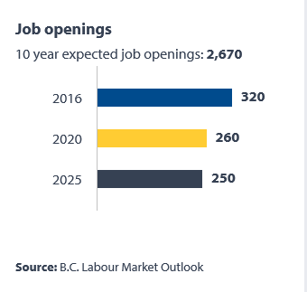
 |  | 2016 | 2020 | 2025
 | Job Openings | 87,800 | 93,200 | 95,400

 | FOR ALL 500 NOCs
NOC | Occupation Title | 2016 | 2020 | 2025

#0011 | Legislators | 60 | 40 | 40
#0012 | Senior government managers and officials | 110 | 90 | 100
#0013 | Senior managers - financial, communications and other business services | 360 | 440 | 470
#0014 | Senior managers - health, education, social and community services and membership organizations | 210 | 200 | 220
#0015 | Senior managers - trade, broadcasting and other services, n.e.c. | 210 | 340 | 350
#0016 | Senior managers - construction, transportation, production and utilities | 430 | 400 | 320
#0111 | Financial managers | 380 | 450 | 490
#0112 | Human resources managers | 250 | 300 | 330
#0113 | Purchasing managers | 40 | 70 | 80
#0114 | Other administrative services managers | 170 | 190 | 220
#0121 | Insurance, real estate and financial brokerage managers | 1030 | 830 | 860
#0122 | Banking, credit and other investment managers | 330 | 460 | 520
#0124 | Advertising, marketing and public relations managers | 280 | 340 | 400
#0125 | Other business services managers | 60 | 80 | 80
#0131 | Telecommunication carriers managers | 140 | 60 | 70
#0132 | Postal and courier services managers | 30 | 40 | 40
#0211 | Engineering managers | 90 | 110 | 120
#0212 | Architecture and science managers | 30 | 50 | 50
#0213 | Computer and information systems managers | 260 | 400 | 480
#0311 | Managers in health care | 230 | 250 | 310
#0411 | Government managers - health and social policy development and program administration | 20 | 20 | 30
#0412 | Government managers - economic analysis, policy development and program administration | 30 | 50 | 60
#0413 | Government managers - education policy development and program administration | 10 | 0 | 10
#0414 | Other managers in public administration | 30 | 40 | 40
#0421 | Administrators - post-secondary education and vocational training | 270 | 160 | 230
#0422 | School principals and administrators of elementary and secondary education | 240 | 220 | 260
#0423 | Managers in social, community and correctional services | 220 | 270 | 310
#0431 | Commissioned police officers | 10 | 10 | 10
#0432 | Fire chiefs and senior firefighting officers | 30 | 20 | 20
#0433 | Commissioned officers of the Canadian Forces | 30 | 40 | 60
#0511 | Library, archive, museum and art gallery managers | 20 | 20 | 20
#0512 | Managers - publishing, motion pictures, broadcasting and performing arts | 90 | 100 | 110
#0513 | Recreation, sports and fitness program and service directors | 100 | 110 | 120
#0601 | Corporate sales managers | 360 | 520 | 570
#0621 | Retail and wholesale trade managers | 1930 | 2770 | 3160
#0631 | Restaurant and food service managers | 610 | 790 | 930
#0632 | Accommodation service managers | 350 | 260 | 280
#0651 | Managers in customer and personal services, n.e.c. | 60 | 130 | 160
#0711 | Construction managers | 900 | 830 | 670
#0712 | Home building and renovation managers | 480 | 420 | 320
#0714 | Facility operation and maintenance managers | 380 | 380 | 400
#0731 | Managers in transportation | 100 | 240 | 260
#0811 | Managers in natural resources production and fishing | 140 | 180 | 100
#0821 | Managers in agriculture | 190 | 320 | 320
#0822 | Managers in horticulture | 0 | 20 | 30
#0823 | Managers in aquaculture | -40 | 0 | 10
#0911 | Manufacturing managers | 470 | 490 | 470
#0912 | Utilities managers | 60 | 80 | 100
#1111 | Financial auditors and accountants | 980 | 1180 | 1100
#1112 | Financial and investment analysts | 90 | 90 | 90
#1113 | Securities agents, investment dealers and brokers | 100 | 100 | 100
#1114 | Other financial officers | 380 | 500 | 510
#1121 | Human resources professionals | 180 | 220 | 230
#1122 | Professional occupations in business management consulting | 390 | 420 | 410
#1123 | Professional occupations in advertising, marketing and public relations | 330 | 320 | 360
#1211 | Supervisors, general office and administrative support workers | 60 | 60 | 70
#1212 | Supervisors, finance and insurance office workers | 40 | 70 | 80
#1213 | Supervisors, library, correspondence and related information workers | 20 | 40 | 40
#1214 | Supervisors, mail and message distribution occupations | 30 | 50 | 60
#1215 | Supervisors, supply chain, tracking and scheduling co-ordination occupations | 150 | 210 | 230
#1221 | Administrative officers | 1640 | 1930 | 2130
#1222 | Executive assistants | 290 | 270 | 250
#1223 | Human resources and recruitment officers | 80 | 100 | 110
#1224 | Property administrators | 860 | 540 | 480
#1225 | Purchasing agents and officers | 230 | 230 | 210
#1226 | Conference and event planners | 150 | 110 | 130
#1227 | Court officers and justices of the peace | 10 | 20 | 20
#1228 | Employment insurance, immigration, border services and revenue officers | 100 | 160 | 170
#1241 | Administrative assistants | 1570 | 1550 | 1550
#1242 | Legal administrative assistants | 170 | 220 | 210
#1243 | Medical administrative assistants | 30 | 30 | 40
#1251 | Court reporters, medical transcriptionists and related occupations | 70 | 80 | 80
#1252 | Health information management occupations | 20 | 20 | 20
#1253 | Records management technicians | 10 | 20 | 20
#1254 | Statistical officers and related research support occupations | 10 | 10 | 10
#1311 | Accounting technicians and bookkeepers | 1060 | 1110 | 940
#1312 | Insurance adjusters and claims examiners | -50 | 150 | 150
#1313 | Insurance underwriters | -20 | 50 | 50
#1314 | Assessors, valuators and appraisers | 70 | 60 | 60
#1315 | Customs, ship and other brokers | -20 | 30 | 30
#1411 | General office support workers | 1250 | 1250 | 1290
#1414 | Receptionists | 1120 | 1110 | 1240
#1415 | Personnel clerks | 70 | 70 | 80
#1416 | Court clerks | 10 | 10 | 10
#1422 | Data entry clerks | 90 | 150 | 160
#1423 | Desktop publishing operators and related occupations | 0 | 10 | 10
#1431 | Accounting and related clerks | 610 | 660 | 640
#1432 | Payroll clerks | 160 | 170 | 170
#1434 | Banking, insurance and other financial clerks | 60 | 120 | 130
#1435 | Collectors | 40 | 40 | 50
#1451 | Library assistants and clerks | 10 | 50 | 60
#1452 | Correspondence, publication and regulatory clerks | 70 | 110 | 110
#1454 | Survey interviewers and statistical clerks | 30 | 140 | 130
#1511 | Mail, postal and related workers | 200 | 210 | 190
#1512 | Letter carriers | 160 | 230 | 220
#1513 | Couriers, messengers and door-to-door distributors | 160 | 170 | 160
#1521 | Shippers and receivers | 360 | 460 | 450
#1522 | Storekeepers and partspersons | 180 | 200 | 210
#1523 | Production logistics co-ordinators | 50 | 80 | 70
#1524 | Purchasing and inventory control workers | 130 | 130 | 130
#1525 | Dispatchers | 100 | 130 | 130
#1526 | Transportation route and crew schedulers | 10 | 10 | 10
#2111 | Physicists and astronomers | 10 | 10 | 10
#2112 | Chemists | 20 | 40 | 40
#2113 | Geoscientists and oceanographers | 110 | 110 | 60
#2114 | Meteorologists and climatologists | 0 | 0 | 10
#2115 | Other professional occupations in physical sciences | 20 | 10 | 10
#2121 | Biologists and related scientists | 70 | 130 | 150
#2122 | Forestry professionals | 90 | 130 | 90
#2123 | Agricultural representatives, consultants and specialists | 20 | 10 | 10
#2131 | Civil engineers | 240 | 320 | 310
#2132 | Mechanical engineers | 180 | 180 | 180
#2133 | Electrical and electronics engineers | 140 | 200 | 200
#2134 | Chemical engineers | 30 | 30 | 30
#2141 | Industrial and manufacturing engineers | 50 | 40 | 40
#2142 | Metallurgical and materials engineers | 20 | 10 | 10
#2143 | Mining engineers | 50 | 60 | 30
#2144 | Geological engineers | 10 | 30 | 30
#2145 | Petroleum engineers | 10 | 10 | 10
#2146 | Aerospace engineers | 0 | 10 | 10
#2147 | Computer engineers (except software engineers and designers) | 130 | 130 | 150
#2148 | Other professional engineers, n.e.c. | 20 | 40 | 40
#2151 | Architects | 80 | 140 | 130
#2152 | Landscape architects | 10 | 10 | 10
#2153 | Urban and land use planners | 90 | 50 | 50
#2154 | Land surveyors | 60 | 60 | 50
#2161 | Mathematicians, statisticians and actuaries | 20 | 20 | 30
#2171 | Information systems analysts and consultants | 700 | 890 | 1010
#2172 | Database analysts and data administrators | 60 | 70 | 80
#2173 | Software engineers and designers | 220 | 430 | 510
#2174 | Computer programmers and interactive media developers | 490 | 770 | 910
#2175 | Web designers and developers | 160 | 250 | 300
#2211 | Chemical technologists and technicians | 90 | 100 | 100
#2212 | Geological and mineral technologists and technicians | 70 | 80 | 50
#2221 | Biological technologists and technicians | 20 | 40 | 40
#2222 | Agricultural and fish products inspectors | 20 | 20 | 20
#2223 | Forestry technologists and technicians | 120 | 140 | 80
#2224 | Conservation and fishery officers | 40 | 20 | 20
#2225 | Landscape and horticulture technicians and specialists | 100 | 120 | 120
#2231 | Civil engineering technologists and technicians | 100 | 100 | 100
#2232 | Mechanical engineering technologists and technicians | 80 | 50 | 50
#2233 | Industrial engineering and manufacturing technologists and technicians | 40 | 50 | 40
#2234 | Construction estimators | 130 | 100 | 70
#2241 | Electrical and electronics engineering technologists and technicians | 170 | 180 | 180
#2242 | Electronic service technicians (household and business equipment) | 260 | 340 | 340
#2243 | Industrial instrument technicians and mechanics | 10 | 30 | 10
#2244 | Aircraft instrument, electrical and avionics mechanics, technicians and inspectors | -10 | 50 | 50
#2251 | Architectural technologists and technicians | 30 | 50 | 50
#2252 | Industrial designers | 10 | 20 | 20
#2253 | Drafting technologists and technicians | 150 | 170 | 170
#2254 | Land survey technologists and technicians | 20 | 20 | 10
#2255 | Technical occupations in geomatics and meteorology | 40 | 50 | 50
#2261 | Non-destructive testers and inspection technicians | 30 | 30 | 30
#2262 | Engineering inspectors and regulatory officers | 10 | 20 | 20
#2263 | Inspectors in public and environmental health and occupational health and safety | 130 | 150 | 130
#2264 | Construction inspectors | 160 | 110 | 90
#2271 | Air pilots, flight engineers and flying instructors | -130 | 180 | 170
#2272 | Air traffic controllers and related occupations | -20 | 30 | 30
#2273 | Deck officers, water transport | -30 | 70 | 70
#2274 | Engineer officers, water transport | 10 | 30 | 20
#2275 | Railway traffic controllers and marine traffic regulators | 10 | 0 | 0
#2281 | Computer network technicians | 370 | 360 | 410
#2282 | User support technicians | 260 | 270 | 320
#2283 | Information systems testing technicians | 30 | 50 | 60
#3011 | Nursing co-ordinators and supervisors | 90 | 90 | 120
#3012 | Registered nurses and registered psychiatric nurses | 2570 | 2420 | 2900
#3111 | Specialist physicians | 230 | 200 | 250
#3112 | General practitioners and family physicians | 290 | 280 | 350
#3113 | Dentists | 130 | 130 | 170
#3114 | Veterinarians | 20 | 30 | 30
#3121 | Optometrists | 30 | 30 | 40
#3122 | Chiropractors | 40 | 40 | 50
#3124 | Allied primary health practitioners | 20 | 20 | 30
#3125 | Other professional occupations in health diagnosing and treating | 20 | 20 | 20
#3131 | Pharmacists | 90 | 190 | 210
#3132 | Dietitians and nutritionists | 70 | 60 | 80
#3141 | Audiologists and speech-language pathologists | 50 | 50 | 60
#3142 | Physiotherapists | 160 | 150 | 190
#3143 | Occupational therapists | 80 | 80 | 100
#3144 | Other professional occupations in therapy and assessment | 70 | 70 | 80
#3211 | Medical laboratory technologists | 190 | 170 | 200
#3212 | Medical laboratory technicians and pathologists' assistants | 200 | 210 | 250
#3213 | Animal health technologists and veterinary technicians | 20 | 30 | 40
#3214 | Respiratory therapists, clinical perfusionists and cardiopulmonary technologists | 40 | 40 | 60
#3215 | Medical radiation technologists | 120 | 110 | 140
#3216 | Medical sonographers | 30 | 30 | 40
#3217 | Cardiology technologists and electrophysiological diagnostic technologists, n.e.c. | 20 | 20 | 20
#3219 | Other medical technologists and technicians (except dental health) | 50 | 180 | 210
#3221 | Denturists | 10 | 10 | 10
#3222 | Dental hygienists and dental therapists | 150 | 160 | 200
#3223 | Dental technologists, technicians and laboratory assistants | 60 | 70 | 70
#3231 | Opticians | 40 | 60 | 60
#3232 | Practitioners of natural healing | 90 | 90 | 100
#3233 | Licensed practical nurses | 410 | 420 | 530
#3234 | Paramedical occupations | 120 | 140 | 170
#3236 | Massage therapists | 100 | 130 | 160
#3237 | Other technical occupations in therapy and assessment | 20 | 20 | 30
#3411 | Dental assistants | 230 | 240 | 310
#3413 | Nurse aides, orderlies and patient service associates | 1770 | 1850 | 2280
#3414 | Other assisting occupations in support of health services | 190 | 200 | 250
#4011 | University professors and lecturers | 920 | 350 | 650
#4012 | Post-secondary teaching and research assistants | 400 | 40 | 300
#4021 | College and other vocational instructors | 980 | 550 | 710
#4031 | Secondary school teachers | 810 | 630 | 810
#4032 | Elementary school and kindergarten teachers | 1290 | 990 | 1270
#4033 | Educational counsellors | 190 | 110 | 160
#4111 | Judges | 10 | 20 | 10
#4112 | Lawyers and Quebec notaries | 240 | 360 | 320
#4151 | Psychologists | 150 | 130 | 140
#4152 | Social workers | 170 | 280 | 310
#4153 | Family, marriage and other related counsellors | 210 | 240 | 260
#4154 | Professional occupations in religion | 120 | 190 | 170
#4155 | Probation and parole officers and related occupations | -10 | 30 | 30
#4156 | Employment counsellors | 70 | 100 | 110
#4161 | Natural and applied science policy researchers, consultants and program officers | 140 | 150 | 150
#4162 | Economists and economic policy researchers and analysts | 40 | 50 | 50
#4163 | Business development officers and marketing researchers and consultants | 190 | 260 | 270
#4164 | Social policy researchers, consultants and program officers | 120 | 140 | 140
#4165 | Health policy researchers, consultants and program officers | 140 | 150 | 180
#4166 | Education policy researchers, consultants and program officers | 160 | 100 | 120
#4167 | Recreation, sports and fitness policy researchers, consultants and program officers | 80 | 50 | 60
#4168 | Program officers unique to government | 80 | 90 | 80
#4169 | Other professional occupations in social science, n.e.c. | 40 | 30 | 40
#4211 | Paralegal and related occupations | 90 | 110 | 110
#4212 | Social and community service workers | 1060 | 1160 | 1290
#4214 | Early childhood educators and assistants | 850 | 930 | 980
#4215 | Instructors of persons with disabilities | 30 | 40 | 50
#4216 | Other instructors | 370 | 150 | 210
#4217 | Other religious occupations | 20 | 30 | 30
#4311 | Police officers (except commissioned) | 260 | 360 | 390
#4312 | Firefighters | 340 | 140 | 150
#4313 | Non-commissioned ranks of the Canadian Forces | 40 | 70 | 90
#4411 | Home child care providers | 170 | 380 | 380
#4412 | Home support workers, housekeepers and related occupations | 670 | 720 | 780
#4413 | Elementary and secondary school teacher assistants | 740 | 570 | 700
#4421 | Sheriffs and bailiffs | -10 | 20 | 20
#4422 | Correctional service officers | 50 | 100 | 110
#4423 | By-law enforcement and other regulatory officers, n.e.c. | 80 | 50 | 50
#5111 | Librarians | 50 | 60 | 70
#5112 | Conservators and curators | 0 | 0 | 0
#5113 | Archivists | 0 | 0 | 0
#5121 | Authors and writers | 400 | 210 | 210
#5122 | Editors | 100 | 110 | 120
#5123 | Journalists | 60 | 50 | 50
#5125 | Translators, terminologists and interpreters | 40 | 40 | 40
#5131 | Producers, directors, choreographers and related occupations | 180 | 240 | 290
#5132 | Conductors, composers and arrangers | 50 | 30 | 30
#5133 | Musicians and singers | 580 | 200 | 230
#5134 | Dancers | 90 | 20 | 40
#5135 | Actors and comedians | 160 | 70 | 90
#5136 | Painters, sculptors and other visual artists | 490 | 190 | 170
#5211 | Library and public archive technicians | 30 | 30 | 40
#5212 | Technical occupations related to museums and art galleries | 20 | 20 | 20
#5221 | Photographers | 60 | 70 | 70
#5222 | Film and video camera operators | 30 | 40 | 50
#5223 | Graphic arts technicians | 20 | 50 | 60
#5224 | Broadcast technicians | -10 | 0 | 0
#5225 | Audio and video recording technicians | 90 | 100 | 110
#5226 | Other technical and co-ordinating occupations in motion pictures, broadcasting and the performing arts | 100 | 100 | 120
#5227 | Support occupations in motion pictures, broadcasting, photography and the performing arts | 90 | 90 | 110
#5231 | Announcers and other broadcasters | 30 | 30 | 30
#5232 | Other performers, n.e.c. | 60 | 20 | 20
#5241 | Graphic designers and illustrators | 180 | 290 | 320
#5242 | Interior designers and interior decorators | 110 | 130 | 120
#5243 | Theatre, fashion, exhibit and other creative designers | 70 | 70 | 70
#5244 | Artisans and craftspersons | 170 | 110 | 90
#5245 | Patternmakers - textile, leather and fur products | 0 | 0 | 0
#5251 | Athletes | 50 | 20 | 20
#5252 | Coaches | 90 | 60 | 70
#5253 | Sports officials and referees | 40 | 20 | 20
#5254 | Program leaders and instructors in recreation, sport and fitness | 480 | 370 | 440
#6211 | Retail sales supervisors | 220 | 330 | 390
#6221 | Technical sales specialists - wholesale trade | 330 | 440 | 490
#6222 | Retail and wholesale buyers | 130 | 200 | 220
#6231 | Insurance agents and brokers | -70 | 260 | 290
#6232 | Real estate agents and salespersons | 540 | 280 | 260
#6235 | Financial sales representatives | 110 | 180 | 210
#6311 | Food service supervisors | 170 | 210 | 260
#6312 | Executive housekeepers | 50 | 40 | 50
#6313 | Accommodation, travel, tourism and related services supervisors | 40 | 70 | 80
#6314 | Customer and information services supervisors | 40 | 50 | 60
#6315 | Cleaning supervisors | 40 | 50 | 50
#6316 | Other services supervisors | 70 | 90 | 100
#6321 | Chefs | 340 | 380 | 420
#6322 | Cooks | 940 | 1170 | 1300
#6331 | Butchers, meat cutters and fishmongers - retail and wholesale | 80 | 100 | 100
#6332 | Bakers | 320 | 260 | 250
#6341 | Hairstylists and barbers | 160 | 400 | 400
#6342 | Tailors, dressmakers, furriers and milliners | 50 | 90 | 70
#6343 | Shoe repairers and shoemakers | 10 | 10 | 10
#6344 | Jewellers, jewellery and watch repairers and related occupations | 20 | 30 | 30
#6345 | Upholsterers | 20 | 30 | 20
#6346 | Funeral directors and embalmers | 10 | 20 | 20
#6411 | Sales and account representatives - wholesale trade (non-technical) | 340 | 780 | 750
#6421 | Retail salespersons | 2910 | 3310 | 3370
#6511 | Maîtres d'hôtel and hosts/hostesses | 70 | 90 | 100
#6512 | Bartenders | 110 | 130 | 160
#6513 | Food and beverage servers | 680 | 850 | 1000
#6521 | Travel counsellors | 90 | 150 | 150
#6522 | Pursers and flight attendants | -140 | 130 | 130
#6523 | Airline ticket and service agents | -130 | 130 | 120
#6524 | Ground and water transport ticket agents, cargo service representatives and related clerks | 10 | 20 | 20
#6525 | Hotel front desk clerks | 300 | 160 | 180
#6531 | Tour and travel guides | 20 | 30 | 30
#6532 | Outdoor sport and recreational guides | 10 | 20 | 20
#6533 | Casino occupations | 50 | 120 | 120
#6541 | Security guards and related security service occupations | 330 | 470 | 450
#6551 | Customer services representatives - financial institutions | 220 | 290 | 330
#6552 | Other customer and information services representatives | 680 | 600 | 630
#6561 | Image, social and other personal consultants | 10 | 10 | 10
#6562 | Estheticians, electrologists and related occupations | 30 | 170 | 180
#6563 | Pet groomers and animal care workers | 30 | 80 | 80
#6564 | Other personal service occupations | 0 | 0 | 0
#6611 | Cashiers | 890 | 1110 | 1230
#6621 | Service station attendants | 30 | 70 | 80
#6622 | Store shelf stockers, clerks and order fillers | 500 | 560 | 610
#6623 | Other sales related occupations | 150 | 170 | 160
#6711 | Food counter attendants, kitchen helpers and related support occupations | 1160 | 1380 | 1580
#6721 | Support occupations in accommodation, travel and facilities set-up services | 30 | 30 | 30
#6722 | Operators and attendants in amusement, recreation and sport | 120 | 110 | 120
#6731 | Light duty cleaners | 1070 | 1140 | 1200
#6732 | Specialized cleaners | 70 | 150 | 160
#6733 | Janitors, caretakers and building superintendents | 1330 | 1140 | 1130
#6741 | Dry cleaning, laundry and related occupations | 90 | 110 | 110
#6742 | Other service support occupations, n.e.c. | 100 | 90 | 100
#7201 | Contractors and supervisors, machining, metal forming, shaping and erecting trades and related occupations | 70 | 60 | 60
#7202 | Contractors and supervisors, electrical trades and telecommunications occupations | 140 | 100 | 90
#7203 | Contractors and supervisors, pipefitting trades | 50 | 60 | 40
#7204 | Contractors and supervisors, carpentry trades | 160 | 150 | 120
#7205 | Contractors and supervisors, other construction trades, installers, repairers and servicers | 290 | 270 | 210
#7231 | Machinists and machining and tooling inspectors | 160 | 150 | 120
#7232 | Tool and die makers | 20 | 10 | 10
#7233 | Sheet metal workers | 110 | 110 | 80
#7234 | Boilermakers | 40 | 50 | 30
#7235 | Structural metal and platework fabricators and fitters | 110 | 80 | 60
#7236 | Ironworkers | 60 | 50 | 30
#7237 | Welders and related machine operators | 350 | 310 | 240
#7241 | Electricians (except industrial and power system) | 690 | 600 | 380
#7242 | Industrial electricians | 290 | 220 | 130
#7243 | Power system electricians | 20 | 10 | 20
#7244 | Electrical power line and cable workers | 40 | 40 | 40
#7245 | Telecommunications line and cable workers | 240 | 90 | 100
#7246 | Telecommunications installation and repair workers | 320 | 130 | 130
#7247 | Cable television service and maintenance technicians | 40 | 10 | 10
#7251 | Plumbers | 480 | 330 | 220
#7252 | Steamfitters, pipefitters and sprinkler system installers | 110 | 110 | 50
#7253 | Gas fitters | 50 | 50 | 30
#7271 | Carpenters | 1630 | 1330 | 820
#7272 | Cabinetmakers | 110 | 120 | 100
#7281 | Bricklayers | 110 | 80 | 50
#7282 | Concrete finishers | 90 | 70 | 50
#7283 | Tilesetters | 100 | 70 | 50
#7284 | Plasterers, drywall installers and finishers and lathers | 310 | 220 | 150
#7291 | Roofers and shinglers | 230 | 170 | 110
#7292 | Glaziers | 110 | 90 | 70
#7293 | Insulators | 70 | 60 | 30
#7294 | Painters and decorators (except interior decorators) | 600 | 410 | 280
#7295 | Floor covering installers | 190 | 150 | 100
#7301 | Contractors and supervisors, mechanic trades | 100 | 100 | 100
#7302 | Contractors and supervisors, heavy equipment operator crews | 300 | 330 | 240
#7303 | Supervisors, printing and related occupations | 10 | 20 | 20
#7304 | Supervisors, railway transport operations | 10 | 10 | 10
#7305 | Supervisors, motor transport and other ground transit operators | 50 | 40 | 50
#7311 | Construction millwrights and industrial mechanics | 400 | 360 | 240
#7312 | Heavy-duty equipment mechanics | 220 | 320 | 230
#7313 | Refrigeration and air conditioning mechanics | 160 | 130 | 90
#7314 | Railway carmen/women | 30 | 20 | 20
#7315 | Aircraft mechanics and aircraft inspectors | 50 | 150 | 140
#7316 | Machine fitters | 20 | 20 | 10
#7318 | Elevator constructors and mechanics | 60 | 30 | 20
#7321 | Automotive service technicians, truck and bus mechanics and mechanical repairers | 420 | 560 | 570
#7322 | Motor vehicle body repairers | 70 | 140 | 140
#7331 | Oil and solid fuel heating mechanics | 0 | 0 | 0
#7332 | Appliance servicers and repairers | 30 | 40 | 40
#7333 | Electrical mechanics | 10 | 10 | 10
#7334 | Motorcycle, all-terrain vehicle and other related mechanics | 10 | 20 | 20
#7335 | Other small engine and small equipment repairers | 10 | 10 | 10
#7361 | Railway and yard locomotive engineers | 70 | 50 | 50
#7362 | Railway conductors and brakemen/women | 80 | 50 | 60
#7371 | Crane operators | 70 | 100 | 60
#7372 | Drillers and blasters - surface mining, quarrying and construction | 30 | 30 | 20
#7373 | Water well drillers | 0 | 20 | 0
#7381 | Printing press operators | 20 | 40 | 30
#7384 | Other trades and related occupations, n.e.c. | 90 | 80 | 70
#7441 | Residential and commercial installers and servicers | 340 | 270 | 210
#7442 | Waterworks and gas maintenance workers | 40 | 20 | 20
#7444 | Pest controllers and fumigators | 0 | 10 | 10
#7445 | Other repairers and servicers | 60 | 60 | 60
#7451 | Longshore workers | -120 | 110 | 100
#7452 | Material handlers | 1040 | 750 | 700
#7511 | Transport truck drivers | 340 | 1600 | 1370
#7512 | Bus drivers, subway operators and other transit operators | 760 | 290 | 290
#7513 | Taxi and limousine drivers and chauffeurs | 460 | 170 | 180
#7514 | Delivery and courier service drivers | 260 | 390 | 390
#7521 | Heavy equipment operators (except crane) | 500 | 650 | 330
#7522 | Public works maintenance equipment operators and related workers | 100 | 90 | 90
#7531 | Railway yard and track maintenance workers | 70 | 50 | 50
#7532 | Water transport deck and engine room crew | 20 | 40 | 40
#7533 | Boat and cable ferry operators and related occupations | 10 | 30 | 30
#7534 | Air transport ramp attendants | -100 | 60 | 60
#7535 | Other automotive mechanical installers and servicers | 20 | 40 | 50
#7611 | Construction trades helpers and labourers | 810 | 810 | 440
#7612 | Other trades helpers and labourers | 20 | 20 | 20
#7621 | Public works and maintenance labourers | 150 | 90 | 90
#7622 | Railway and motor transport labourers | 10 | 10 | 10
#8211 | Supervisors, logging and forestry | 20 | 90 | 50
#8221 | Supervisors, mining and quarrying | 20 | 80 | 50
#8222 | Contractors and supervisors, oil and gas drilling and services | 60 | 100 | 70
#8231 | Underground production and development miners | 100 | 100 | 30
#8232 | Oil and gas well drillers, servicers, testers and related workers | -30 | 60 | 10
#8241 | Logging machinery operators | 20 | 120 | 40
#8252 | Agricultural service contractors, farm supervisors and specialized livestock workers | 40 | 30 | 30
#8255 | Contractors and supervisors, landscaping, grounds maintenance and horticulture services | 50 | 90 | 100
#8261 | Fishing masters and officers | 30 | 10 | 0
#8262 | Fishermen/women | 330 | 60 | 0
#8411 | Underground mine service and support workers | 0 | 10 | 0
#8412 | Oil and gas well drilling and related workers and services operators | 0 | 30 | 10
#8421 | Chain saw and skidder operators | 0 | 60 | 20
#8422 | Silviculture and forestry workers | 110 | 50 | 20
#8431 | General farm workers | 80 | 140 | 110
#8432 | Nursery and greenhouse workers | 70 | 70 | 60
#8441 | Fishing vessel deckhands | 70 | 10 | 0
#8442 | Trappers and hunters | 0 | 0 | 0
#8611 | Harvesting labourers | 80 | 50 | 40
#8612 | Landscaping and grounds maintenance labourers | 210 | 390 | 460
#8613 | Aquaculture and marine harvest labourers | 0 | 0 | 0
#8614 | Mine labourers | 0 | 30 | 10
#8615 | Oil and gas drilling, servicing and related labourers | -20 | 20 | 0
#8616 | Logging and forestry labourers | 80 | 80 | 20
#9211 | Supervisors, mineral and metal processing | 40 | 30 | 30
#9212 | Supervisors, petroleum, gas and chemical processing and utilities | 40 | 50 | 50
#9213 | Supervisors, food, beverage and associated products processing | 90 | 70 | 70
#9214 | Supervisors, plastic and rubber products manufacturing | 0 | 10 | 10
#9215 | Supervisors, forest products processing | 130 | 70 | 60
#9217 | Supervisors, textile, fabric, fur and leather products processing and manufacturing | 0 | 10 | 10
#9221 | Supervisors, motor vehicle assembling | 10 | 0 | 0
#9222 | Supervisors, electronics manufacturing | 0 | 10 | 10
#9223 | Supervisors, electrical products manufacturing | 0 | 0 | 0
#9224 | Supervisors, furniture and fixtures manufacturing | 10 | 10 | 10
#9226 | Supervisors, other mechanical and metal products manufacturing | 10 | 0 | 0
#9227 | Supervisors, other products manufacturing and assembly | 10 | 10 | 10
#9231 | Central control and process operators, mineral and metal processing | 30 | 20 | 20
#9232 | Petroleum, gas and chemical process operators | 90 | 110 | 70
#9235 | Pulping, papermaking and coating control operators | 20 | 0 | 0
#9241 | Power engineers and power systems operators | 200 | 140 | 120
#9243 | Water and waste treatment plant operators | 10 | 40 | 50
#9411 | Machine operators, mineral and metal processing | 10 | 20 | 20
#9412 | Foundry workers | 50 | 10 | 10
#9413 | Glass forming and finishing machine operators and glass cutters | 10 | 10 | 10
#9414 | Concrete, clay and stone forming operators | 30 | 30 | 20
#9415 | Inspectors and testers, mineral and metal processing | 10 | 10 | 10
#9416 | Metalworking and forging machine operators | 50 | 60 | 50
#9417 | Machining tool operators | 0 | 10 | 10
#9418 | Other metal products machine operators | 20 | 20 | 20
#9421 | Chemical plant machine operators | 0 | 10 | 10
#9422 | Plastics processing machine operators | 30 | 50 | 40
#9423 | Rubber processing machine operators and related workers | 0 | 10 | 10
#9431 | Sawmill machine operators | 200 | 110 | 70
#9432 | Pulp mill machine operators | 80 | 20 | 10
#9433 | Papermaking and finishing machine operators | 30 | 0 | 0
#9434 | Other wood processing machine operators | 120 | 50 | 30
#9435 | Paper converting machine operators | 30 | 10 | 0
#9436 | Lumber graders and other wood processing inspectors and graders | 50 | 50 | 30
#9437 | Woodworking machine operators | 40 | 20 | 10
#9441 | Textile fibre and yarn, hide and pelt processing machine operators and workers | 0 | 0 | 0
#9442 | Weavers, knitters and other fabric making occupations | 0 | 10 | 10
#9445 | Fabric, fur and leather cutters | 0 | 10 | 0
#9446 | Industrial sewing machine operators | 30 | 70 | 60
#9447 | Inspectors and graders, textile, fabric, fur and leather products manufacturing | 0 | 10 | 10
#9461 | Process control and machine operators, food, beverage and associated products processing | 220 | 120 | 100
#9462 | Industrial butchers and meat cutters, poultry preparers and related workers | 100 | 50 | 40
#9463 | Fish and seafood plant workers | 90 | 50 | 40
#9465 | Testers and graders, food, beverage and associated products processing | 30 | 20 | 10
...

Tab 10 Career - Comp Job Open
 |  |  |  |  |  |  | Example:
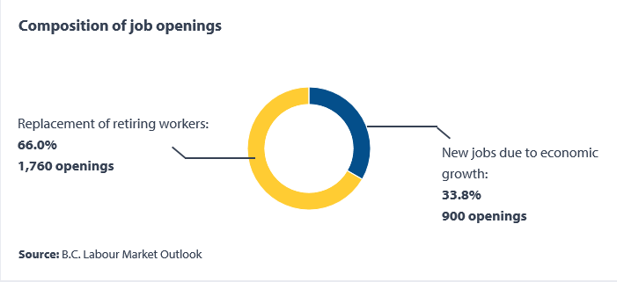
...
 | Percentage | Level in Number
Replacement of retiring workers: | 69% | 641,726
New jobs due to economic growth: | 31% | 291,892

FOR ALL 500 NOCs and another tab for BC & Regions

British Columbia 500 NOC's

 | NOC | Title | Replacement of retiring workers |  | New jobs due to economic growth
 |  |  | Percentage | Level in number | Percentage | Level in number
 | #0011 | Legislators* | 78.2% | 340 | 22.7% | 100 |  | 101%
 | #0012 | Senior government managers and officials | 78.9% | 720 | 20.8% | 190 |  | 100%
 | #0013 | Senior managers - financial, communications and other business services | 68.8% | 3070 | 31.2% | 1390 |  | 100%
 | #0014 | Senior managers - health, education, social and community services and membership organizations | 81.9% | 1680 | 18.0% | 370 |  | 100%
 | #0015 | Senior managers - trade, broadcasting and other services, n.e.c. | 76.6% | 2500 | 23.3% | 760 |  | 100%
 | #0016 | Senior managers - construction, transportation, production and utilities | 85.4% | 3050 | 14.6% | 520 |  | 100%
 | #0111 | Financial managers | 76.8% | 3480 | 23.2% | 1050 |  | 100%
 | #0112 | Human resources managers | 76.3% | 2290 | 23.7% | 710 |  | 100%
...

Tab 9 CP - Regional Outlook
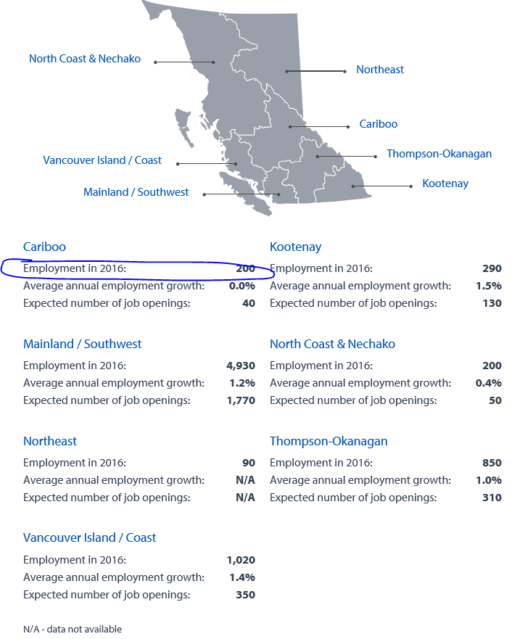
Webpage Title: Career Profile - Regional Outlook (2015-2025)
 |  |  |  | Example:
Forecast, British Columbia
Source: BC 2025 LMO

 | Region | Forecasted Employment 2016
 | British Columbia | 2,332,100
 | Mainland South West | 1,486,700
 | Vancouver Island Coast | 362,700
 | North Coast & Nechako | 39,900
 | Cariboo | 79,700
 | Kootenay | 69,500
 | North East | 40,300
 | Thompson Okanagan | 253,200

British Columbia |  |  | Mainland Southwest |  |  |  | Vancouver Island and Coast |  |  | North Coast and Nechako

NOC | Occupation | Forecasted Employment 2016 | NOC | Occupation | Forecasted Employment 2016 | NOC | Occupation | Forecasted Employment 2016 | NOC | Occupation
#0011 | Legislators | 610 | #0011 | Legislators | 220 | #0011 | Legislators | 160 | #0011 | Legislators
#0012 | Senior government managers and officials | 1470 | #0012 | Senior government managers and officials | 700 | #0012 | Senior government managers and officials | 560 | #0012 | Senior government managers and officials
#0013 | Senior managers - financial, communications and other business services | 6730 | #0013 | Senior managers - financial, communications and other business services | 5310 | #0013 | Senior managers - financial, communications and other business services | 910 | #0013 | Senior managers - financial, communications and other business services
#0014 | Senior managers - health, education, social and community services and membership organizations | 3320 | #0014 | Senior managers - health, education, social and community services and membership organizations | 2280 | #0014 | Senior managers - health, education, social and community services and membership organizations | 600 | #0014 | Senior managers - health, education, social and community services and membership organizations
#0015 | Senior managers - trade, broadcasting and other services, n.e.c. | 5530 | #0015 | Senior managers - trade, broadcasting and other services, n.e.c. | 4310 | #0015 | Senior managers - trade, broadcasting and other services, n.e.c. | 540 | #0015 | Senior managers - trade, broadcasting and other services, n.e.c.
#0016 | Senior managers - construction, transportation, production and utilities | 6850 | #0016 | Senior managers - construction, transportation, production and utilities | 5360 | #0016 | Senior managers - construction, transportation, production and utilities | 580 | #0016 | Senior managers - construction, transportation, production and utilities
#0111 | Financial managers | 8360 | #0111 | Financial managers | 6530 | #0111 | Financial managers | 1080 | #0111 | Financial managers
...

Tab 2 Industry - Employ Summary
Webpage Title: Industry Profile/ Employment Summary data
(Esther data source at LMIO)
 |  |  |  | Example:
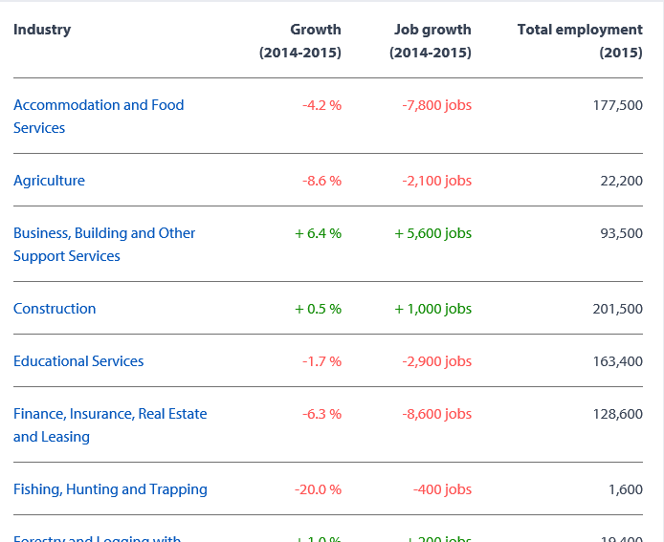
Industry: | Growth (2014-2015) | Job Growth (2014-2015) | Total Employment (2015)
North American Industry Classification System (NAICS) (3) | % Change | Abs Change | 2015 Employment
Total employed, all industries (4) | 1.2% | 27,800 | 2,306,200
Goods-producing sector (5) | 2.0% | 9,200 | 459,100
Agriculture [111-112 1100 1151-1152] (6) | -8.6% | -2,100 | 22,200
Forestry, fishing, mining, quarrying, oil and gas [21 113-114 1153 2100] (7,8) | -3.4% | -1,700 | 48,300
Utilities [22] | 5.8% | 800 | 14,500
Construction [23] | 0.5% | 1,000 | 201,500
Manufacturing [31-33] | 6.9% | 11,100 | 172,500
Services-producing sector (9) | 1.0% | 18,700 | 1,847,200
Wholesale and retail trade [41 44-45] | -1.4% | -5,100 | 352,900
Transportation and warehousing [48-49] | 4.6% | 6,200 | 140,000
Finance, insurance, real estate, rental and leasing [52-53] | -6.3% | -8,600 | 128,600
Professional, scientific and technical services [54] | 3.2% | 5,800 | 188,100
Business, building and other support services [55-56] (10) | 6.4% | 5,600 | 93,500
Educational services [61] | -1.7% | -2,900 | 163,400
Health care and social assistance [62] | 6.5% | 17,600 | 287,400
Information, culture and recreation [51 71] | 6.3% | 6,800 | 114,500
Accommodation and food services [72] | -4.2% | -7,800 | 177,500
Other services (except public administration) [81] | 2.6% | 2,700 | 105,100
Public administration [91] | -1.8% | -1,800 | 96,100

Existing WorkBC industry profiles:
Mining, Oil and Gas extraction | Instead use data from PROD; do not use combined data shown above
Forestry and Logging with Support Activities | Instead use data from PROD; do not use combined data shown above
Fishing, Hunting and Trapping | Instead use data from PROD; do not use combined data shown above
 | (per Esther)
All other data checked and ok

Tab 4 Industry - forecast
Webpage Title: Industry Profile/ employment outlook
Title on mock: Forecasted average annual employment growth

Forecast, British Columbia
Source: BC 2025 LMO

 | B.C. forecasted average annual employment growth rate for industries
 |  | 2016-2020 | 2020-2025
 | Accommodation and Food Services | 1.3% | 1.1% | Example:
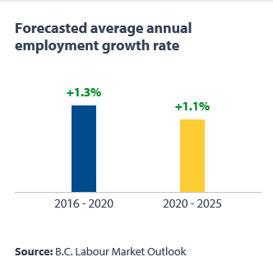
 | Agriculture* | 0.0% | 0.2%
 | Business, building and other support services | 1.0% | 0.8%
 | Construction | 0.7% | 0.4%
 | Educational services | 0.7% | 0.9%
 | Finance, insurance, real estate and leasing | 1.3% | 1.2%
 | Fishing, hunting and trapping | 2.5% | 0.1%
 | Forestry and logging with support activities** | -0.3% | -0.3%
 | Health care and social assistance | 1.6% | 2.3%
 | Information, culture and recreation | 1.7% | 2.1%
 | Manufacturing | -0.1% | 0.0%
 | Mining and oil and gas extraction | 2.3% | 0.1%
 | Other services | 1.2% | 1.2%
 | Professional, scientific, and technical services | 2.3% | 2.0%
 | Public administration | 1.0% | 1.1%
 | Transportation and warehousing | 1.1% | 0.8%
 | Utilities | 0.1% | 0.0%
 | Wholesale and retail trade | 1.6% | 1.4%
 | All industries | 1.2% | 1.2%

 | *support activities for agriculture are not inlcuded
 | ** support activities for agriculture are included

Tab 5 Industry - Share
...
 |  |  | Example:
...
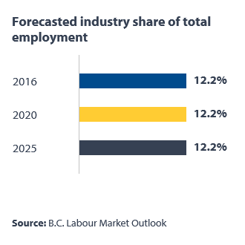
2016 | 2020 | 2025
12.2% | 12.2% | 12.2%
0.8% | 0.8% | 0.8%
4.0% | 3.9% | 3.9%
8.9% | 8.7% | 8.4%
7.2% | 7.0% | 6.9%
5.6% | 5.6% | 5.6%
0.1% | 0.1% | 0.1%
0.9% | 0.9% | 0.8%
12.6% | 12.8% | 13.5%
2.4% | 2.4% | 2.6%
7.5% | 7.1% | 6.7%
1.2% | 1.2% | 1.2%
2.6% | 2.6% | 2.6%
8.1% | 8.4% | 8.8%
4.2% | 4.2% | 4.1%
5.9% | 5.9% | 5.8%
0.6% | 0.6% | 0.6%
15.1% | 15.4% | 15.6%
...

Tab 6 BC Reg Top 10 occs
...
 |  | Example:

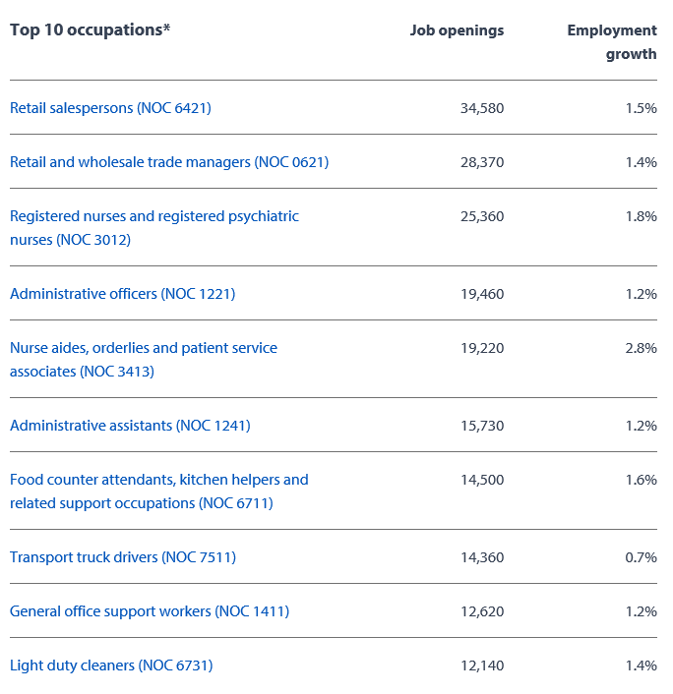
...
British Columbia | British Columbia
Job Openings, 2015-2025 | Forecasted Average Annual Employment Growth
34,580 | 1.5%
28,370 | 1.4%
25,360 | 1.8%
19,460 | 1.2%
19,220 | 2.8%
15,730 | 1.2%
14,500 | 1.6%
14,360 | 0.7%
12,620 | 1.2%
12,140 | 1.4%

Cariboo | Cariboo
Job Openings, 2015-2025 | Forecasted Average Annual Employment Growth
890 | 1.7%
880 | 0.2%
670 | -0.3%
650 | 2.9%
640 | 1.3%
630 | 0.5%
550 | 0.6%
550 | 0.5%
540 | 0.4%
520 | -0.3%
...

Tab 7 BC RegTop 10 occ x region
Webpage Title: BC/Regional Profiles/ B.C. Labour Market Outlook (2015-2025)
Top 10 industries by region
Forecast, British Columbia
Source: BC 2025 LMO
 |  |  | Example:
 | British Columbia | British Columbia
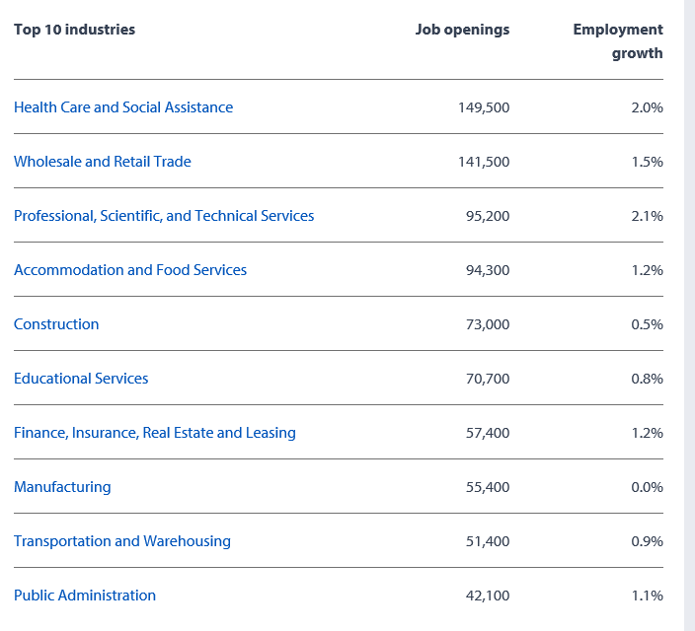
Industry | Job Openings 2015-2025 | Forecasted Average Annual Employment Growth
Health care and social assistance | 149,500 | 2.0%
Wholesale and retail trade | 141,500 | 1.5%
Professional, scientific, and technical services | 95,200 | 2.1%
Accommodation and Food Services | 94,300 | 1.2%
Construction | 73,000 | 0.5%
Educational services | 70,700 | 0.8%
Finance, insurance, real estate and leasing | 57,400 | 1.2%
Manufacturing | 55,400 | 0.0%
Transportation and warehousing | 51,400 | 0.9%
Public administration | 42,100 | 1.1%

 | Cariboo | Cariboo
Industry | Job Openings 2015-2025 | Forecasted Average Annual Employment Growth
Health care and social assistance | 4,400 | 1.8%
Accommodation and Food Services | 3,500 | 0.9%
Manufacturing | 3,500 | 0.3%
Construction | 2,500 | 1.4%
Wholesale and retail trade | 2,500 | -0.4%
Educational services | 1,900 | 0.3%
Professional, scientific, and technical services | 1,400 | 1.2%
Transportation and warehousing | 1,200 | 0.3%
Public administration | 1,100 | 0.5%
Finance, insurance, real estate and leasing | 1,000 | 0.2%
...

Tab 8 BC Regional Empl Outlook
Webpage Title: BC/Regional Profiles/ B.C. Labour Market Outlook (2015-2025)
Title - Employment outlook |  |  |  | Example:
Forecast, British Columbia
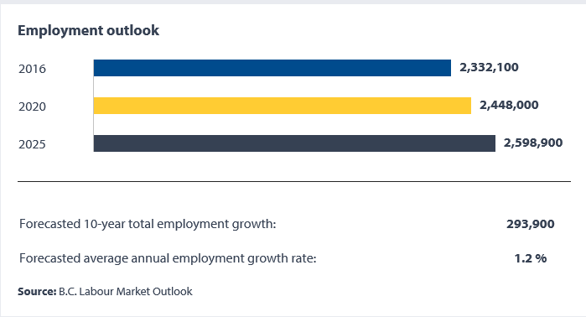
Source: BC 2025 LMO

Employment Outlook
Forecasted Employment

Region | 2016 | 2020 | 2025
British Columbia | 2,332,100 | 2,448,000 | 2,598,900
Mainland South West | 1,486,700 | 1,562,900 | 1,666,500
Vancouver Island Coast | 362,700 | 377,200 | 401,500
North Coast & Nechako | 39,900 | 41,600 | 41,300
Cariboo | 79,700 | 82,200 | 83,500
Kootenay | 69,500 | 74,000 | 75,900
North East | 40,300 | 44,000 | 45,700
Thompson Okanagan | 253,200 | 266,100 | 284,500

Tab 12 BCRegional Profiles
Webpage Title: BC Regional/B.C. Labour Market Outlook (2015-2025)/Composition of Job Openings

Forecast, British Columbia
Source: BC 2025 LMO
 |  |  |  | Example:
 | British Columbia
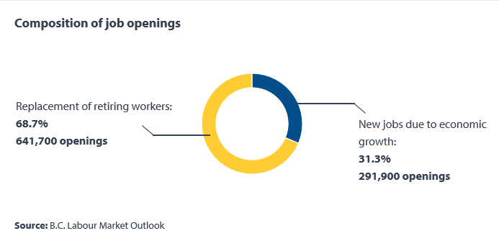
 |  | Percentage | Level in Number
 | Replacement of retiring workers: | 68.7% | 641,700
 | New jobs due to economic growth: | 31.3% | 291,900

 | Cariboo

 |  | Percentage | Level in Number
 | Replacement of retiring workers: | 87.0% | 22,900
 | New jobs due to economic growth: | 13.0% | 3,500

 | Kootenay

 |  | Percentage | Level in Number
 | Replacement of retiring workers: | 75.0% | 22,900
 | New jobs due to economic growth: | 25.0% | 6,600

 | Mainland Southwest

 |  | Percentage | Level in Number
 | Replacement of retiring workers: | 66.0% | 396,500
...

